Sheet1
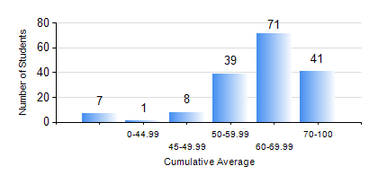
 |  |  | KWAME NKRUMAH UNIVERSITY OF SCIENCE AND TECHNOLOGY, KUMASI Department of Mechanical Engineering

 |  |  | BSC. MECHANICAL ENG.

 |  |  | COMPREHENSIVE RECORD OF EXAMINATION RESULTS

 |  |  | RESULTS OF YEAR 3 SECOND SEMESTER, 2020/2021 ACADEMIC YEAR

 | Sn | Course Code |  | Course Name | Credit Hours | Min. Mark | Max. Mark | Avg. Mark | Std. Dev. | No. Passed | No. Trailed | No. (Df) | No. (I) | No. (I*) | No. Tagged(I,I*,Df) | Total
 | 0. |  |  |  |  |  |  | 0 | 0 | 0 | 0 | 0 | 0 | 0 | 0 | 8
 | 1. | EE 252 |  | ELECTRICAL ENGINEERING MACHINES | 2 | 49 | 92 | 76 | 9.29 | 159 | 0 | 0 | 0 | 0 | 0 | 159
 | 2. | ME 352 |  | FLUID MECHANICS II | 3 | 42 | 84 | 62 | 8.37 | 158 | 0 | 0 | 0 | 0 | 0 | 158
 | 3. | ME 356 |  | STRENGTH OF MATERIALS II | 3 | 30 | 95 | 70 | 13.23 | 157 | 1 | 0 | 0 | 0 | 0 | 158
 | 4. | ME 362 |  | VIBRATIONS I | 3 | 0 | 92 | 49 | 20.04 | 127 | 31 | 0 | 0 | 0 | 0 | 158
 | 5. | ME 366 |  | HEAT TRANSFER | 3 | 22 | 93 | 66 | 13.74 | 156 | 2 | 0 | 0 | 0 | 0 | 158
 | 6. | ME 374 |  | MACHINE DESIGN | 2 | 12 | 82 | 56 | 11.33 | 152 | 6 | 0 | 0 | 0 | 0 | 158
 | 7. | ME 392 |  | INDUSTRIAL ENGINEERING AND ERGONOMICS | 2 | 31 | 81 | 63 | 9.5 | 156 | 2 | 0 | 0 | 0 | 0 | 158
 | 8. | ME 396 |  | MECHANICAL ENGINEERING LABORATORY IV | 1 | 25 | 84 | 65 | 11.13 | 156 | 2 | 0 | 0 | 0 | 0 | 158

